Procedure
riser
zone valve pipe
outlet pipe
Step | User Action | Software Action
1 | Create list of ICU with number of beds in each unit
2 | Obtain medical gas piping data from facilities engineering
3 | Identify the number of risers supplying each ICU
4 | Enter riser diameter | Lookup flow capacity and PSI drop per 100 ft
 |  | Calculate maximum # beds per riser
5 | Enter zone valve pipe diameter | Lookup flow capacity and PSI drop per 100 ft
 |  | Calculate maximum # beds per zone valve
6 | Enter outlet pipe diameter | Lookup flow capacity and PSI drop per 100 ft
 |  | Calculate maximum # beds per outlet pipe
 |  | Calculate % of Beds supported at 48 PSI
 |  | Calculate o\utlet pressure (PSIG) at Zone Valve
 |  | Calculate outlet pressure (PSIG) at bed

Calculator
Riser | South |  |  | Middle |  | North
Unit | G60 | G50 | G51 | G61 | G52 | G62 | G53 | G54
Number of beds per unit | 8 | 10 | 11 | 17 | 10 | 18 | 10 | 10

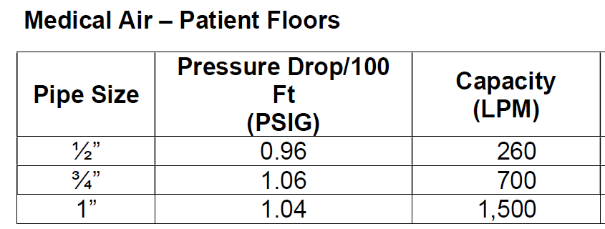
 |  |  |  |  |  |  | Air (LPM) | O2 (LPM)
 | Minute Ventilation (LPM)/Ventilator | 10 | 10 | FiO2 | 0.45 | 45 | 7.0 | 3.0

Assumed Air flow per bed (L/min) | 10 | 10 | Assumed Oxygen flow per bed (L/min) |  |  |  | 60 | 60

Medical Air
Target Pressure (PSI) at Zone Valve Box Inlet | 50 | 50 | 50 | 50 | 50 | 50 | 50 | 50
Riser Pipe Size (inches) | 1.25 | 1.25 | 1.25 | 1.25 | 1.25 | 1.25 | 1.25 | 1.25
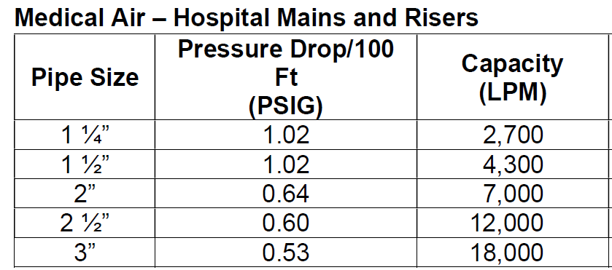
Riser served from | South | South | South | Middle | Middle | North | North | North
Maximum Capacity in Riser (LPM) | 2700 | 2700 | 2700 | 2700 | 2700 | 2700 | 2700 | 2700
Maximum Number of Beds per Riser | 270 | 270 | 270 | 270 | 270 | 270 | 270 | 270
Zone Valve Pipe Size (inches) | 0.75 | 0.75 | 0.75 | 0.75 | 0.75 | 0.75 | 0.75 | 0.75
Maximum Capacity through Zone Valve (LPM - 1.06 PSI pressure drop) | 700 | 700 | 700 | 700 | 700 | 700 | 700 | 700
Maximum Number of Beds per Zone Valve from Riser | 70 | 70 | 70 | 70 | 70 | 70 | 70 | 70
Outlet Pipe Size (inches) | 0.5 | 0.5 | 0.5 | 0.5 | 0.5 | 0.5 | 0.5 | 0.5
Maximum Capcity Through Outlet Pipe (LPM - 1.06 PSI pressure drop) | 260 | 260 | 260 | 260 | 260 | 260 | 260 | 260
Maximum Number of Beds per Outlet Pipe from Zone Valve | 26 | 26 | 26 | 26 | 26 | 26 | 26 | 26

Number of beds in Unit | 8 | 10 | 11 | 17 | 10 | 18 | 10 | 10
Percentage of Beds supported at 49 PSI | 325% | 260% | 236% | 153% | 260% | 144% | 260% | 260%
Number of beds in Unit | 8 | 10 | 11 | 17 | 10 | 18 | 10 | 10
Total flow at assumed flow/bed | 480 | 600 | 660 | 1020 | 600 | 1080 | 600 | 600
Outlet pressure (PSIG) at Zone Valve | 49 | 49 | 49 | 48 | 49 | 48 | 49 | 49
Outlet pressure (PSIG) at bed | 47 | 47 | 46 | 44 | 47 | 44 | 47 | 47

Medical Oxygen
Target Pressure (PSI) at Zone Valve Box Inlet | 50 | 50 | 50 | 50 | 50 | 50 | 50 | 50 | Pipe resistance (PSI/L/min
Riser Pipe Size (inches) | 1.25 | 1.25 | 1.25 | 1.25 | 1.25 | 1.25 | 1.25 | 1.25 | 0.0016060606061
Riser served from | South | South | South | Middle | Middle | North | North | North | Pressure drop at assumed flow per bed
Maximum Capacity in Riser (LPM) | 2600 | 2600 | 2600 | 2600 | 2600 | 2600 | 2600 | 2600 | 0.016060606061
Maximum Number of Beds per Riser | 43 | 43 | 43 | 43 | 43 | 43 | 43 | 43
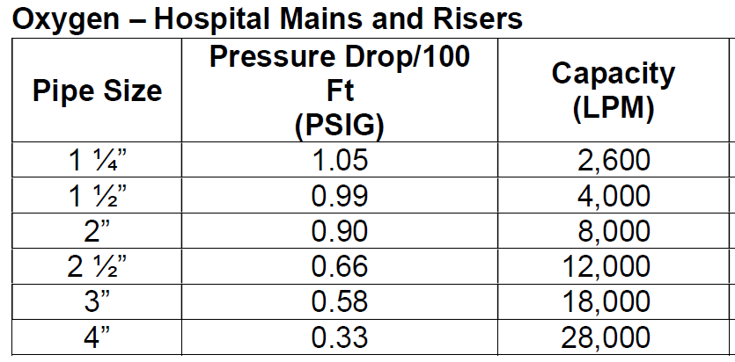
Zone Valve Pipe Size (inches) | 0.75 | 0.75 | 0.75 | 0.75 | 0.75 | 0.75 | 0.75 | 0.75
Maximum Capacity through Zone Valve (LPM - 1.06 PSI pressure drop) | 660 | 660 | 660 | 660 | 660 | 660 | 660 | 660
Maximum Number of Beds per Zone Valve from Riser | 11 | 11 | 11 | 11 | 11 | 11 | 11 | 11
Outlet Pipe Size (inches) | 0.5 | 0.5 | 0.5 | 0.5 | 0.5 | 0.5 | 0.5 | 0.5
Maximum Capcity Through Outlet Pipe (LPM - 1.06 PSI pressure drop) | 260 | 260 | 260 | 260 | 260 | 260 | 260 | 260
Maximum Number of Beds per Outlet Pipe from Zone Valve | 4 | 4 | 4 | 4 | 4 | 4 | 4 | 4

Number of beds in Unit | 8 | 10 | 11 | 17 | 10 | 18 | 10 | 10
Percentage of Beds supported at 48 PSI | 50% | 40% | 36% | 24% | 40% | 22% | 40% | 40%
Number of beds in Unit | 8 | 10 | 11 | 17 | 10 | 18 | 10 | 10
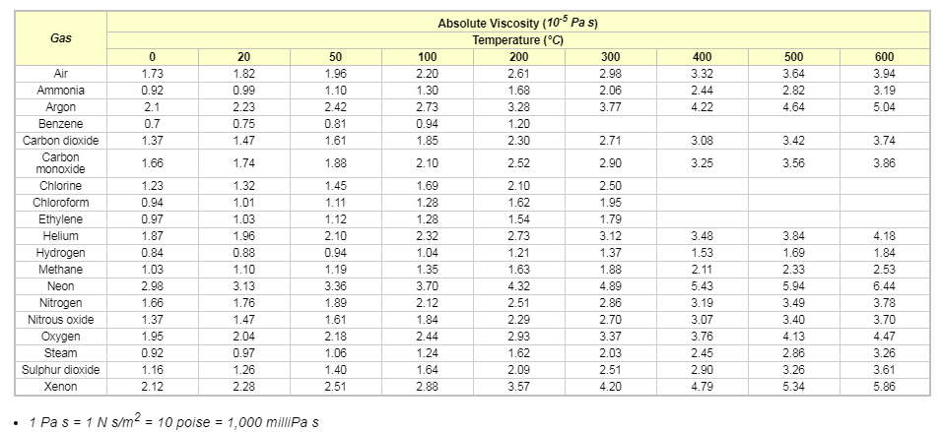
Total flow at assumed flow/bed | 480 | 600 | 660 | 1020 | 600 | 1080 | 600 | 600
Outlet pressure (PSIG) at Zone Valve | 49 | 49 | 49 | 48 | 49 | 48 | 49 | 49
Outlet pressure (PSIG) at bed | 47 | 47 | 46 | 44 | 47 | 44 | 47 | 47

Air Riser | South | Middle | North
Number of beds in ICUs served by each Riser | 29 | 27 | 38
Total Capacity of the Riser for Med Air | 2700 | 2700 | 2700
Capacity of Beds that can be served per Med Air Riser at assumed flow/bed | 270 | 270 | 270
Percentage of Beds that can be served per Med Air Riser at assumed flow/bed | 931% | 1000% | 711%
Oxygen Riser
Total Capacity of the Riser for Oxygen | 2600 | 2600 | 2600
Capacity of Beds that can be served per Oxygen Riser at assumed flow/bed | 43 | 43 | 43
Percentage of Beds that can be served per Oxygen Riser at assumed flow/bed | 148% | 159% | 113%

Assumptions
Riser = 1.25" - this is the size of the pipe running up the building riser
Zone valve pipe = 0.75" - This is the size of the pipe from the zone valve out in to the wing
riser
zone valve pipe
outlet pipe
Outlet pipe = 0.50" - runs from wing line to bed outlet
For same pressure drop (1.06 PSIG), flow is lower for oxygen than air (660 vs 700) because it has higher viscosity
The maximum distance from the zone valve is 100 ft

Piping
1. From main through riser (1.25") to zone valve
2. From zone valve through zone line (0.75") to hospital wing
3. From zone line through outlet line (0.50") to bed outlet

